Sheet2
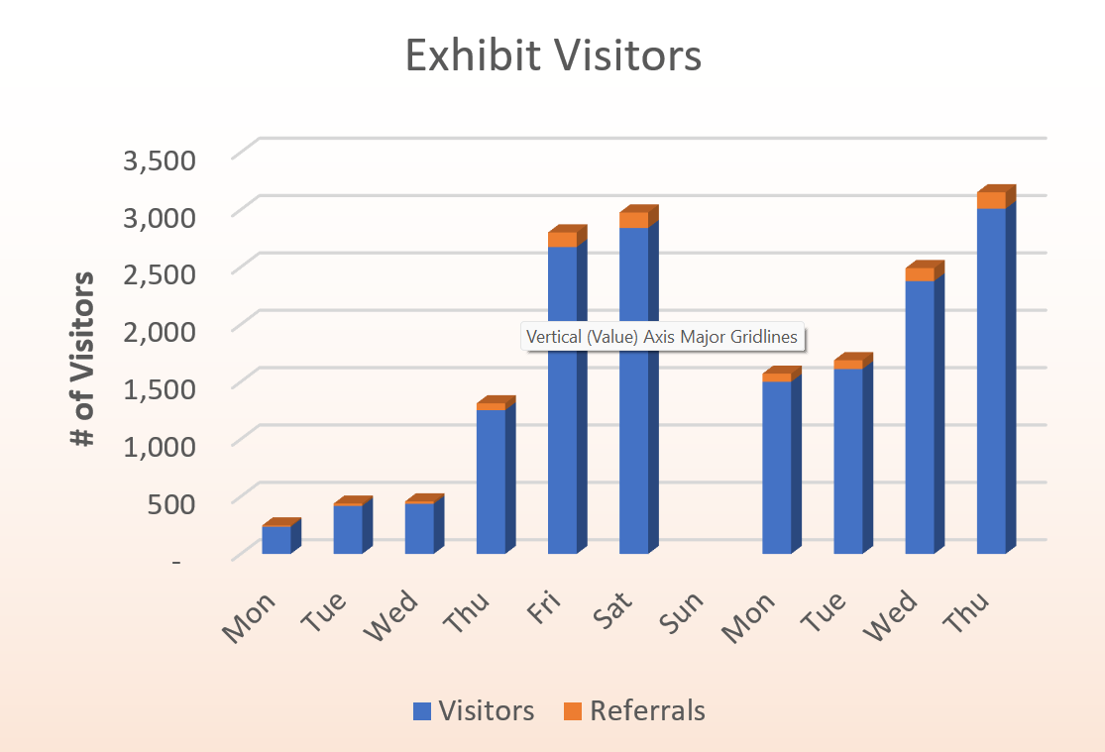
Exhibit Visitors
#1 | Stacked Bar Chart
 | Exhibit Visitors
 | Day | Date | Visitors | Referrals
 | 2023-01-02 | 2023-01-02 | 237 | 11
 | 2023-01-03 | 2023-01-03 | 419 | 20
 | 2023-01-04 | 2023-01-04 | 437 | 21
 | 2023-01-05 | 2023-01-05 | 1,253 | 60
 | 2023-01-06 | 2023-01-06 | 2,675 | 127
 | 2023-01-07 | 2023-01-07 | 2,841 | 135
 | 2023-01-09 | 2023-01-09 | 1,500 | 71
 | 2023-01-10 | 2023-01-10 | 1,612 | 77
 | 2023-01-11 | 2023-01-11 | 2,378 | 113
 | 2023-01-12 | 2023-01-12 | 3,009 | 143
 |  | Totals | 16,361 | 779

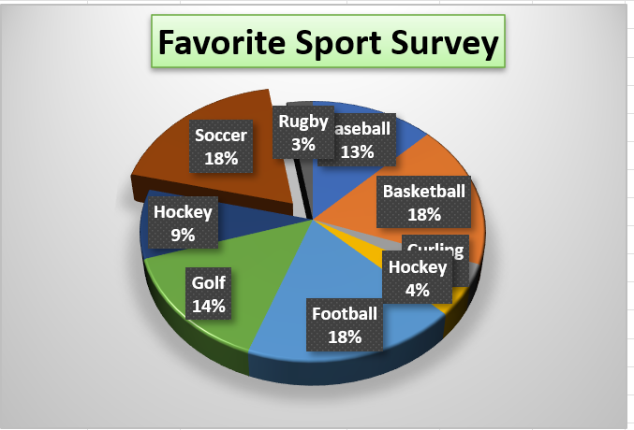
#2 | 3D Pie Chart

Favorite Sport Survey
 |  | Favorite Sport Data
 |  | Sport | # of votes
 |  | Baseball | 19
 |  | Basketball | 27
 |  | Curling | 4
 |  | Hockey | 6
 |  | Football | 28
 |  | Golf | 22
 |  | Hockey | 13
 |  | Soccer | 28
 |  | Rugby | 4

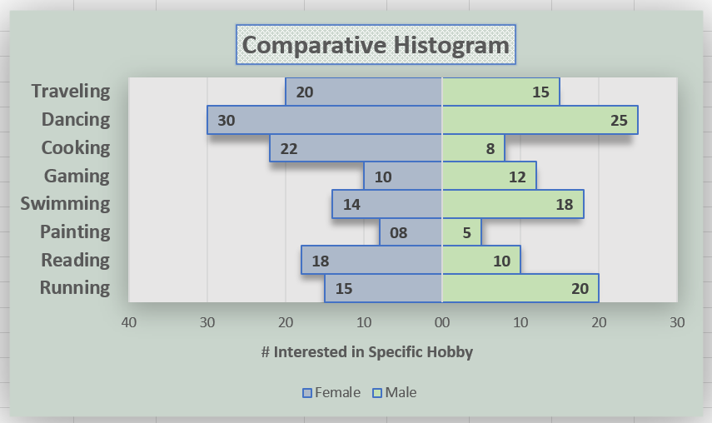
#3 | Comparitive Histogram

Comparative Histogram
Hobbies | Male | Female
Running | 20 | -15
Reading | 10 | -18
Painting | 5 | -8
Swimming | 18 | -14
Gaming | 12 | -10
Cooking | 8 | -22
Dancing | 25 | -30
Traveling | 15 | -20

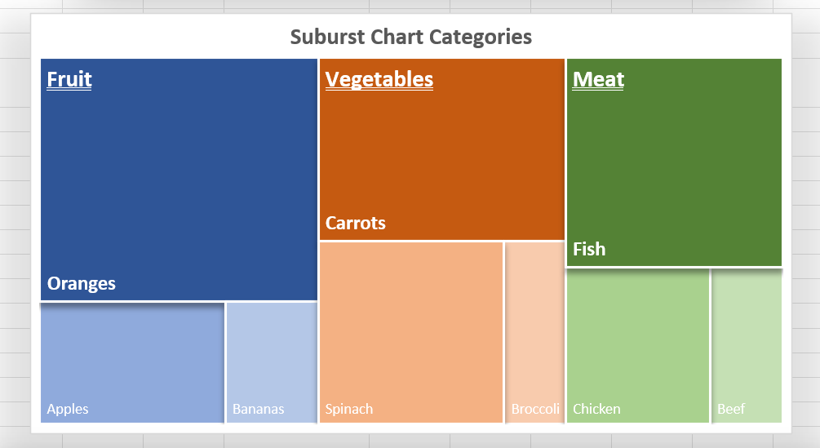
#4 | Treemap Chart

Category | Subcategory | Sales
Fruit | Apples | $10
Fruit | Oranges | $30
Fruit | Bananas | $5
Vegetables | Carrots | $20
Vegetables | Broccoli | $5
Vegetables | Spinach | $15 |  |  | ,j
Meat | Beef | $5
Meat | Chicken | $10
Meat | Fish | $20

Units Sold and Revenue by Month
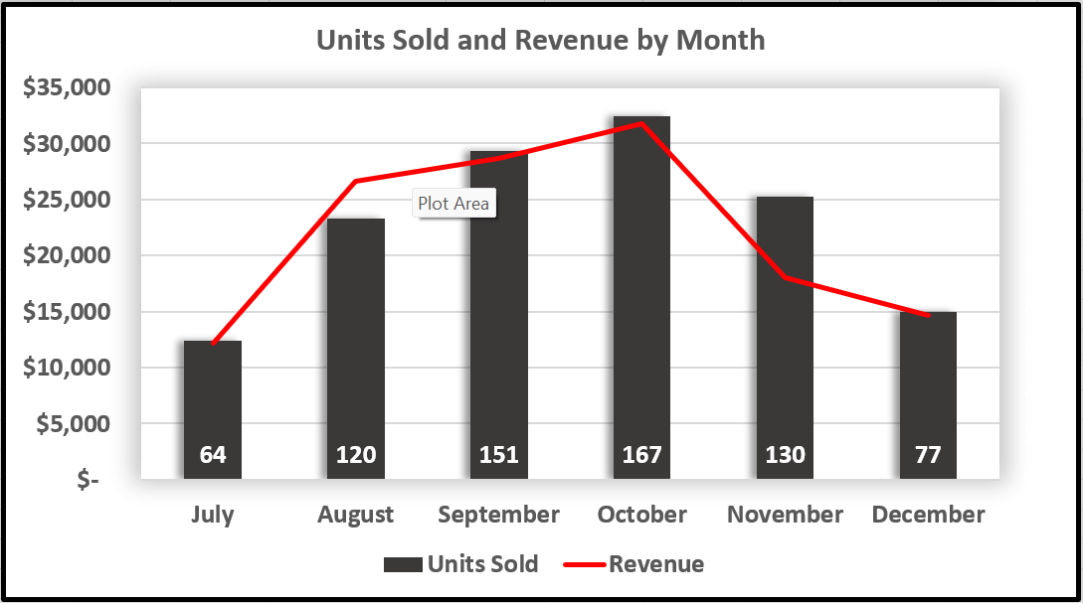

#5 | Dual Axis

Month | Units Sold | Revenue
July | 64 | $12,160
August | 120 | $26,600
September | 151 | $28,690
October | 167 | $31,730
November | 130 | $18,050
December | 77 | $14,630

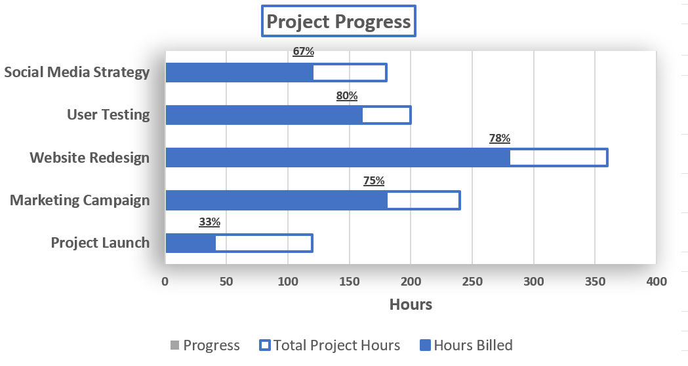
Project Progress
#6 | Progress Bar Chart

Task Name | Hours Billed | Total Project Hours | Progress
Project Launch | 40 | 120 | 33%
Marketing Campaign | 180 | 240 | 75%
Website Redesign | 280 | 360 | 78%
User Testing | 160 | 200 | 80%
Social Media Strategy | 120 | 180 | 67%

#7 | Actual vs. Target Charts

Chart Data
 | Target | Actual
Q1 | $3,000 | $12,000
Q2 | $17,000 | $4,000
Q3 | $18,000 | $10,000
Q4 | $4,000 | $3,000

